Sheet1
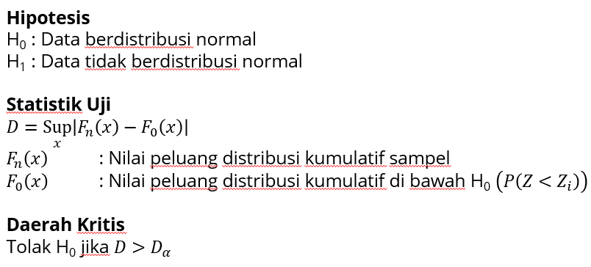
x | f | fkum | Fn(x) | Z | F0(x) | |Fn-F0|
5.2 | 1 | 1 | 0.0625 | -1.70 | 0.0450 | 0.0175 | alfa | 0.05 |  | 5.2
5.8 | 1 | 2 | 0.125 | -1.29 | 0.0977 | 0.0273 | P | 0.95 |  | 5.8
6.4 | 2 | 4 | 0.25 | -0.89 | 0.1857 | 0.0643 |  |  |  | 6.4
6.8 | 1 | 5 | 0.3125 | -0.63 | 0.2655 | 0.0470 | test stat | 0.1775 |  | 6.4
7 | 1 | 6 | 0.375 | -0.49 | 0.3111 | 0.0639 | tabel | 0.327 | KS | 6.8
7.1 | 1 | 7 | 0.4375 | -0.43 | 0.3351 | 0.1024 |  | 0.212 | Lili | 7
7.2 | 1 | 8 | 0.5 | -0.36 | 0.3597 | 0.1403 |  |  |  | 7.1
7.3 | 1 | 9 | 0.5625 | -0.29 | 0.3850 | 0.1775 | keputusan | Gagal tolak H0 | KS | 7.2
8.6 | 1 | 10 | 0.625 | 0.58 | 0.7178 | 0.0928 | kesimpulan | Berdistribusi normal |  | 7.3
8.8 | 1 | 11 | 0.6875 | 0.71 | 0.7611 | 0.0736 |  |  |  | 8.6
8.9 | 1 | 12 | 0.75 | 0.78 | 0.7813 | 0.0313 | keputusan | Gagal tolak H0 | Lili | 8.8
9 | 1 | 13 | 0.8125 | 0.84 | 0.8005 | 0.0120 | kesimpulan | Berdistribusi normal |  | 8.9
9.3 | 1 | 14 | 0.875 | 1.04 | 0.8518 | 0.0232 |  |  |  | 9
9.9 | 1 | 15 | 0.9375 | 1.44 | 0.9258 | 0.0117 |  |  |  | 9.3
10.1 | 1 | 16 | 1 | 1.58 | 0.9428 | 0.0572 |  |  |  | 9.9
 |  |  |  |  |  |  |  |  |  | 10.1

